KKO
KAJIAN KELAYAKAN OPERASI

DAYA LAMA |  |  |  | DAYA BARU
Nama Pelanggan | : | ZUNIAR FARIH FAHLAFI |  | Nama Pelanggan | : | ZUNIAR FARIH FAHLAFI
Daya Lama (VA) | : | 1300 |  | Daya Baru (VA) | : | 5500
Jumlah Fasa | : | 1 | * | Jumlah Fasa | : | 1
Tegangan Sekunder Pengukuran rata-rata (Fasa-Netral) (V) | : | 220 | * | Tegangan Sekunder Pengukuran rata-rata (Fasa-Netral) (V) | : | 220
Beban Pelanggan (A) | : | 5.93 |  | Beban Pelanggan (A) | : | 25.07

SUPLAI TRAFO EKSISTING |  |  |  | SUPLAI TRAFO RENCANA
Nomor Tiang | : | MGN04-194/102 |  | Nomor Tiang | : | MGN04-194/102
Penyulang | : | MGN 04 |  | Penyulang | : | MGN 04
Daya | : | 50 | * | Daya | : | 50
Jumlah Fasa | : | 1 | * | Jumlah Fasa | : | 1
Beban TRAFO (Pengukuran Lapangan) |  | 269 |  | Beban TRAFO | : | 50.00
Beban Primer | : | 4.33 | * | Beban Primer | : | 4.33
Beban Sekunder | : | 227.90 | * | Beban Sekunder | : | 227.90
Beban (A) | : | #VALUE! |  | Beban (A) | : | #VALUE!
Prosentase Pembebanan | : | 118% |  | Beban (A) | : | 22%
 | 22% | 100%
Prosentase Pembebanan | : | 100% |  | Beban (A) | : | 100%

DATA





DATA
Tahun | : | 2022
Discount Rate | : | 12%
Transfer price TM | : | 1,084 |  | Marginal COST maret 2022
Umur ekonomis (tahun) | : | 25.00
Selisih Susut Teknis | : | 2.25%
∑ Daya | : | 4
BP (Rp) | : | 3,935,400
RAB (Rp) | : | 42,371,866
Biaya O&M (2% invest) | : | 847,437.31

Nama Pelanggan | : | ZUNIAR FARIH FAHLAFI | *
Golongan Pelanggan | : | BISNIS | *
Jenis Layanan | : | B1T | *
Daya Lama (kVA) | : | 1 | *
Daya Baru (kVA) | : | 6 | *
Tarif WBP (Rp/kWh) | : | 1,444.70 | *
Tarif LWBP (Rp/kWh) | : | 1,444.70 | *
BP (Rp/VA) TR | : | 937 | *
Jam Nyala | : | 40 | *

RAB
 |  | PT. PLN ( PERSERO )
 |  | UNIT INDUK DISTRIBUSI JAWA TENGAH & DI YOGYAKARTA |  |  |  |  |  |  |  |  |  | RAB TOTAL
 |  | UP3 DEMAK |  |  |  |  |  |  |  |  | RAB TOTAL | RAB NON MDU
 | RENCANA ANGGARAN BIAYA (RAB)

 |  |  |  | Pekerjaan | : | ZUNIAR FARIH FAHLAFI (K PRINT CETAK SPANDUK MMT)
 |  |  |  | Lokasi | : | JL RAYA KARANGAWEN
 |  |  |  | Pelaksana | : | PT. PLN (PERSERO) UP3 DEMAK
 |  |  |  | Anggaran | : | SAR 2023

Note !! 1. Saat Pengisian Uraian di mohon memasukan nama material sesuai dengan nama material di harga satuan
2. Mohon di cek kembali saat pengisian volume material
3. Untuk program Sarana Penunjang Fungsi tidak perlu SLO.
 | NO | URAIAN | GOL | SAT | VOL | HARGA SATUAN | BIAYA YANG DIPERLUKAN ( Rp )
 |  |  |  |  |  |  | MDU | HARDWARE | JASA | JUMLAH

#REF! | A | PEMASANGAN TIANG |  |  |  | 0 | 0 | 0 | 0 | 0
#REF! |  |  |  |  |  | 0 | 0 | 0 | 0 | 0
#REF! |  |  |  |  |  | 0 | 0 | 0 | 0 | 0
#REF! | B | PEKERJAAN PEMASANGAN KONSTRUKSI |  |  |  | 0 | 0 | 0 | 0 | 0
#REF! | + | Trafo 1 Fasa CSP 50 KVA (G105, G106, G136) |  | Unit | 1 | 0 | 0 | 0 | 0 | 0
#REF! | 1 | Trafo 1 Fasa CSP 50 kVA | MDU-KD | Bh | 1 | 27,845,400 | 27,845,400 | 0 | 0 | 27,845,400
#REF! | 2 | Jumper Wire : |  |  |  | 0 | 0 | 0 | 0 | 0
#REF! |  | AAAC 70 mm² | MDU-KD | Mtr | 2 | 14,200 | 28,400 | 0 | 0 | 28,400
#REF! |  | NFA2X-T 2 x 70 + N 70 mm² | MDU-KD | Mtr | 2 | 53,300 | 106,600 | 0 | 0 | 106,600
v | 3 | Hot Line Clamp ( 35mm² s/d 70 mm² ) | HDW | Bh | 1 | 87,000 | 0 | 87,000 | 0 | 87,000
#REF! | 4 | Bracket band segment,vertikal plat ( Hot dip galvanis ) | HDW | Bh | 2 | 404,600 | 0 | 809,200 | 0 | 809,200
#REF! | 5 | Compresion Conector H type 70 mm² / 70 mm² | HDW | Bh | 3 | 15,900 | 0 | 47,700 | 0 | 47,700
#REF! | 6 | Compresion Terminal Lug 70 mm² | HDW | Bh | 2 | 17,100 | 0 | 34,200 | 0 | 34,200
#REF! | 7 | Sepatu Kabel AL/CU Ring 95 | HDW | Bh | 4 | 64,300 | 0 | 257,200 | 0 | 257,200
 | 8 | Armour Rod # for 70 mm² | HDW | Set | 1 | 67,800 | 0 | 67,800 | 0 | 67,800
 | 9 | Ground wire Cu 16 mm² | HDW | Mtr | 2 | 30,000 | 0 | 60,000 | 0 | 60,000
#REF! | 10 | Upah Pasang Trafo 1 Fasa 50 KVA + Bracket | JASA | Unit | 1 | 346,400 | 0 | 0 | 346,400 | 346,400
#REF! |  |  |  |  |  | 0 | 0 | 0 | 0 | 0
#REF! | + | CM2-12 |  | Unit | 1 | 0 | 0 | 0 | 0 | 0
#REF! | 1 | Bimetalic Connector 35 - 240 mm² | HDW | Bh | 1 | 47,459 | 0 | 47,459 | 0 | 47,459
 | 2 | Ground wire Cu 16 mm² | HDW | Mtr | 0.8 | 30,000 | 0 | 24,000 | 0 | 24,000
 | 3 | Ground rod & Washer | HDW | Bh | 1 | 9,500 | 0 | 9,500 | 0 | 9,500
#REF! | 4 | Upah Pasang Acc.Jar M2-12 | JASA | Unit | 1 | 16,200 | 0 | 0 | 16,200 | 16,200
#REF! |  |  |  |  |  | 0 | 0 | 0 | 0 | 0
#REF! | + | CM2-11M |  | Unit | 2 | 0 | 0 | 0 | 0 | 0
 | 1 | Ground rod ⅝" x 8" Copper Weld | HDW | Bh | 2 | 185,200 | 0 | 370,400 | 0 | 370,400
 | 2 | Bimetalic Connector 35 - 240 mm² | HDW | Bh | 2 | 47,459 | 0 | 94,918 | 0 | 94,918
#REF! | 3 | Clamp Ground Rod ⅝" | HDW | Bh | 2 | 4,880 | 0 | 9,760 | 0 | 9,760
#REF! | 4 | Ground wire Cu 16 mm² | HDW | Mtr | 20 | 30,000 | 0 | 600,000 | 0 | 600,000
#REF! | 5 | Ground rod & Washer | HDW | Bh | 4 | 9,500 | 0 | 38,000 | 0 | 38,000
#REF! | 6 | Pipa PVC ½" | HDW | Bh | 11 | 6,100 | 0 | 67,100 | 0 | 67,100
 | 7 | Stopping Buckle / Yokes | HDW | Bh | 12 | 2,300 | 0 | 27,600 | 0 | 27,600
#REF! | 8 | Stainless Steel Strap 20 X 0.7 mm | HDW | Mtr | 9.6 | 23,310 | 0 | 223,776 | 0 | 223,776
#REF! | 9 | Upah Pasang Acc.Jar M2-11M | JASA | Unit | 2 | 65,400 | 0 | 0 | 130,800 | 130,800
#REF! |  |  |  |  |  | 0 | 0 | 0 | 0 | 0
 | + | SJ5 |  | Unit | 3 | 0 | 0 | 0 | 0 | 0
 | 1 | Pole Band Double Up Side 7" atau 7 ½" | HDW | Bh | 3 | 61,800 | 0 | 185,400 | 0 | 185,400
#REF! | 2 | Spool Insulator ANSI 53 - 2 | HDW | Bh | 3 | 28,000 | 0 | 84,000 | 0 | 84,000
#REF! | 3 | Tie Wire # 4 / Alluminium bonding wire # 20 | HDW | Mtr | 2.4 | 8,550 | 0 | 20,520 | 0 | 20,520
#REF! | 4 | Upah Pasang Konst. JTR J5 | JASA | Unit | 3 | 33,200 | 0 | 0 | 99,600 | 99,600
#REF! |  |  |  |  |  | 0 | 0 | 0 | 0 | 0
 | + | SJ6 |  | Unit | 2 | 0 | 0 | 0 | 0 | 0
 | 1 | Armour Tape ¼" wide | HDW | Mtr | 2 | 7,789 | 0 | 15,578 | 0 | 15,578
#REF! | 2 | Clevis Swinging Secondary | HDW | Bh | 2 | 15,500 | 0 | 31,000 | 0 | 31,000
 | 3 | Loop Dead End Clamp / LC ( 35 s/d 240 ) mm² | HDW | Bh | 4 | 29,600 | 0 | 118,400 | 0 | 118,400
 | 4 | Oval Eye Nut ⅝" | HDW | Bh | 2 | 23,936 | 0 | 47,872 | 0 | 47,872
#REF! | 5 | Pole Band Single Rack 7" atau 7 ½" | HDW | Bh | 2 | 57,690 | 0 | 115,380 | 0 | 115,380
 | 6 | Spool Insulator ANSI 53 - 4 | HDW | Bh | 2 | 33,502 | 0 | 67,004 | 0 | 67,004
 | 7 | Upah Pasang Konst. JTR J6 | JASA | Unit | 2 | 35,700 | 0 | 0 | 71,400 | 71,400
#REF! |  |  |  |  |  | 0 | 0 | 0 | 0 | 0
#REF! | + | CM5-2 |  | Unit | 1 | 0 | 0 | 0 | 0 | 0
#REF! | 1 | Isolator Tumpu ( Pin Post ) 20 KV Porcelein | MDU-KD | Bh | 1 | 235,900 | 235,900 | 0 | 0 | 235,900
#REF! | 2 | Center Bracket 12.5 KN | HDW | Bh | 1 | 95,000 | 0 | 95,000 | 0 | 95,000
 | 3 | Bolt Machine ⅝" x 10" | HDW | Bh | 2 | 26,500 | 0 | 53,000 | 0 | 53,000
 | 4 | Washer Square 2 ¼" | HDW | Bh | 2 | 2,500 | 0 | 5,000 | 0 | 5,000
#REF! | 5 | Tie Wire # 4 / Alluminium bonding wire # 20 | HDW | Mtr | 1.8 | 8,550 | 0 | 15,390 | 0 | 15,390
 | 6 | Compresion Terminal Lug 240 mm² | HDW | Bh | 2 | 40,400 | 0 | 80,800 | 0 | 80,800
 | 7 | Upah Pasang Acc.Jar M5-2 | JASA | Unit | 1 | 31,200 | 0 | 0 | 31,200 | 31,200
#REF! |  |  |  |  |  | 0 | 0 | 0 | 0 | 0
 | + | CM5-9 |  | Unit | 1 | 0 | 0 | 0 | 0 | 0
 | 1 | FCO Polymer | MDU-KD | Bh | 1 | 848,250 | 848,250 | 0 | 0 | 848,250
#REF! | 2 | Fuse Link 50 A | HDW | Bh | 1 | 32,500 | 0 | 32,500 | 0 | 32,500
 | 3 | Compresion Terminal Lug 70 mm² | HDW | Bh | 1 | 17,100 | 0 | 17,100 | 0 | 17,100
 | 4 | Bracket Extension for cut out | HDW | Bh | 1 | 67,700 | 0 | 67,700 | 0 | 67,700
#REF! | 5 | Upah Pasang Acc.Jar M5-9 | JASA | Unit | 1 | 58,400 | 0 | 0 | 58,400 | 58,400
#REF! |  |  |  |  |  | 0 | 0 | 0 | 0 | 0
#REF! | + | NFA2X-T 2 x 70 + N 70 mm² | MDU-KD | Unit | 50 | 53,300 | 2,665,000 | 0 | 0 | 2,665,000
v | + | Upah Pasang Penghantar TR LVTC 2x70 + 1x50mm² | JASA | Unit | 1 | 179,000 | 0 | 0 | 179,000 | 179,000
 |  |  |  |  |  | 0 | 0 | 0 | 0 | 0
 |  |  |  |  |  | 0 | 0 | 0 | 0 | 0
v | D | PEKERJAAN PEMASANGAN APP |  |  |  | 0 | 0 | 0 | 0 | 0
#REF! | + | Daya 7.700 VA |  | Unit | 1 | 0 | 0 | 0 | 0 | 0
v | 1 | KWH MPB; 1P;230V;5(60)A;1;2W | MDU-KD | Bh | 1 | 327,600 | 327,600 | 0 | 0 | 327,600
#REF! | 2 | MCB 1 Fasa 35 A | MDU-KD | Bh | 1 | 39,000 | 39,000 | 0 | 0 | 39,000
 | 3 | NFA2X 2 x 16 mm² | MDU-KD | Mtr | 35 | 6,600 | 231,000 | 0 | 0 | 231,000
#REF! | 4 | Upah Pasang SR + APP 1 Fasa | JASA | Unit | 1 | 54,400 | 0 | 0 | 54,400 | 54,400
#REF! |  |  |  |  |  | 0 | 0 | 0 | 0 | 0
v |  |  |  |  |  | 0 | 0 | 0 | 0 | 0
#REF! | E | PEMBONGKARAN |  |  |  | 0 | 0 | 0 | 0 | 0
#REF! |  |  |  |  |  | 0 | 0 | 0 | 0 | 0
 |  |  |  |  |  | 0 | 0 | 0 | 0 | 0
 |  | SLO |  |  |  | 0 | 0 | 0 | 0 | 0
 | 1 | Sertifikasi Laik Operasi | JASA | Lot | 1 | 2.5% |  |  | 931,045 | 931,045
 |  |  |  |  |  |  | 0 | 0 | 0 | 0

 |  | Jumlah MDU - Hardware - Jasa |  |  |  | : | 32,327,150 | 3,927,257 | 1,918,445 | 38,172,852
 |  | PPN 11% |  |  |  | : | 3,555,987 | 431,998 | 211,029 | 4,199,014
 |  | Jumlah Total |  |  |  | : | 35,883,137 | 4,359,255 | 2,129,474 | 42,371,866
 | Terbilang : Empat Puluh Dua Juta Tiga Ratus Tujuh Puluh Satu Ribu Delapan Ratus Enam Puluh Enam Rupiah

 | Harga yang dipakai adalah RAB HSS 2023

 |  |  |  |  |  |  |  | Tegowanu, Januari 2024
 |  |  |  |  |  |  |  | MANAGER ULP TEGOWANU

 |  |  |  |  |  |  |  | HARY PRATAMA

GAMBAR
 |  |  |  |  | PT. PLN (PERSERO) UP3 DEMAK
Hasil Ukur Trafo 3 Ph 50 KVA ( X ) di -
 | X0 | X1 | X2 | X3 | Keterangan Gambar :
SIANG |  |  |  |  | No | Nama Material |  |  | Baru |  | Eksisting
s
s
MALAM | 20 | 128 | 141 |  | 1 | Tiang Beton
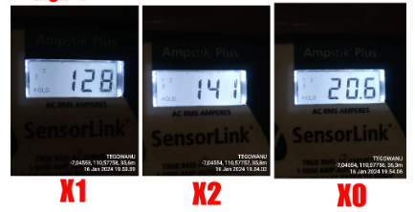
 |  |  |  |  | 2 | Tiang Besi
 |  |  |  |  | 3 | JTM 3 Fasa
 |  |  |  |  | 4 | JTM 1 Fasa
 |  |  |  |  | 5 | JTR 1 Fasa Only / UB
 |  |  |  |  | 6 | JTR 3 Fasa Only / UB
 |  |  |  |  | 7 | Trafo 1 Fasa
 |  |  |  |  | 8 | Trafo 3 Fasa
 |  |  |  |  | 9 | Fuse Cut Out
 |  |  |  |  | 10 | ABSW
 |  |  |  |  | 11 | Vang Net
 |  |  |  |  | 12 | Schoor
 |  |  |  |  | 13

MGN04-194/102
1 CG136 50 KVA
1 CM2-12
1 CM2-11M
1 CM5-9
1 CM5-2
3 SJ5
2 SJ6
 |  |  |  |  | Bongkar Pasang Konstruksi :
 |  |  |  |  | Pasang |  |  |  | Bongkar
 |  |  |  |  | CG105 50KVA |  | U | 1
 |  |  |  |  | CM2-12 |  | U | 1
A
 |  |  |  |  | CM2-11M |  | U | 2
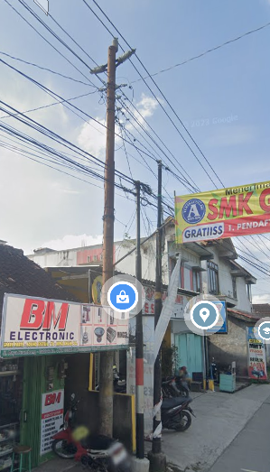
 |  |  |  |  | NFA2X-T 2 x 70 |  | M | 50
37 m
37 m
 |  |  |  |  | SJ5 |  | U | 3
 |  |  |  |  | SJ6 |  | U | 2
 |  |  |  |  | CM5-2 |  | U | 1
 |  |  |  |  | CM5-9 |  | U | 1

APP
APP

s
s

s
s
MGN04-194/101
1 CG136 50 KVA

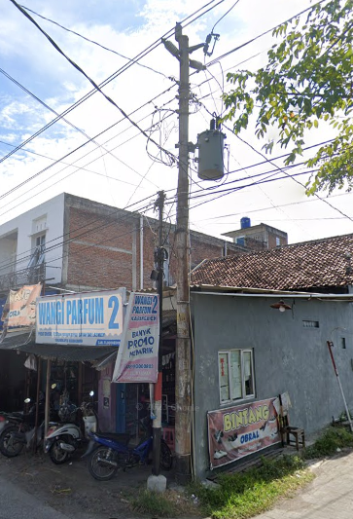
 |  |  |  |  | Keterangan Tambahan : -7.045151,110.577723

 |  |  |  |  | Golongan
 |  |  |  |  | No. Gambar |  | 1 |  |  | Lembar |  | dr
 |  |  |  |  | Gambar dari |  |  |  |  | Skala
 |  |  |  |  | Perihal:
 |  |  |  |  | ZUNIAR FARIH FAHLAFI (K PRINT CETAK SPANDUK MMT)
 |  |  |  |  | JL RAYA KARANGAWEN

 |  |  |  |  | Digambar |  | Staf Teknik
 |  |  |  |  | Diperiksa |  | TL. Teknik
 |  |  |  |  | Diketahui |  | Manager ULP
 |  |  |  |  | Disetujui |  | Man. Perencanaan

PETA
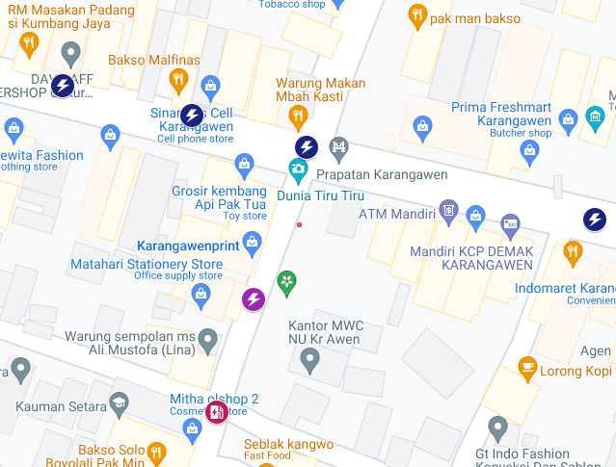
PETA LOKASI PELANGGAN

KOORDINAT LOKASI : -7.045151, 110.577723

